표지

MACHINE AXIS CHECK LIST
[ORDER_NO.:-]
[장치명:SISW-OLED2300-4]

 | Ver.0.1

결 재 |  | 승 인 | 검 토 | 작 성

30.작성법
6. 작성법

1. 표 지
 |  |  | [ORDER_NO.: ] : ORDER NO, KT NOMBER를 기록을 한다. 예) [KT-120407]
 |  |  | [USER명_장치명] : 유저명 /장치명을 기입을 한다. 예)SDC_T8Y_MPX2500

2. 변경 이력
1
2
3
4

 | 변경번호 |  |  | 일시 | 변경내용 | 변경자 | 승인자
 | 1 |  |  | 2012.02.10 | I/O 변경 , 추가 | 남택수 | 김필종
 | 2

 |  | ① 변경 날짜 작성
 |  | ② I/O 추가 및 삭제, 수정 내용 작성
 |  | ③ 변경자
 |  | ④ 승인자

3. 목 차
 |  | 각 중요 목차를 구분을 한다. 참조SHEET가 많을 경우 참조로 목차 구분도 가능하다.

4. PC_Axis Check List
 | 1) PC Check List
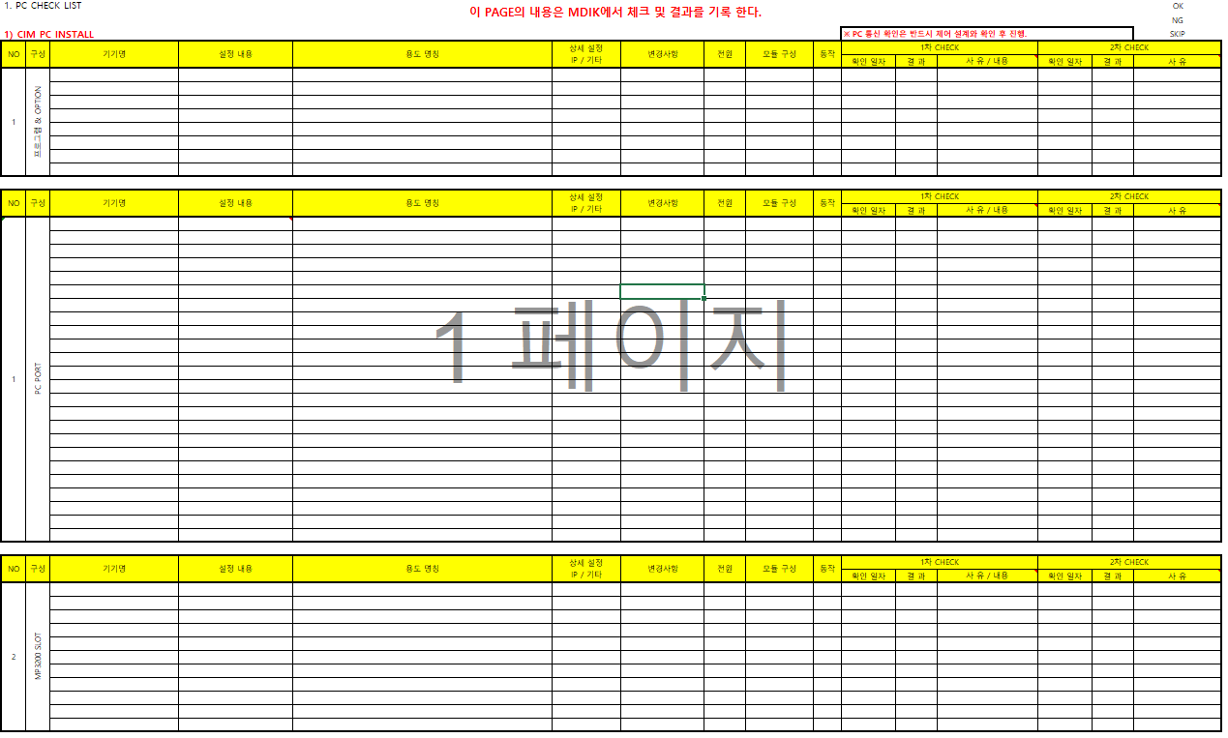
1
2
3
4
5
6

7

 |  | ① PC 명칭 ( 예 : MM1 PC , Main PC)
 |  | ② PC 구성 작성
 |  | ③ PC H/W 구성 및 S/W 설치명 작성 / IP 통신 관련 체크 / 전원, 모듈, 동작 상태 체크
 |  | ④확인 일자 작성
 |  | ⑤ 결과 ( OK, NG, SKIP ) 작성
 |  | ⑥ NG, SKIP 사유/내용 작성
 |  | ⑦ MP 구성 및 내용 기입 / 전원, 모듈, 동작 상태 체크
1
2
4
3
5
 | 2) Axis Check List
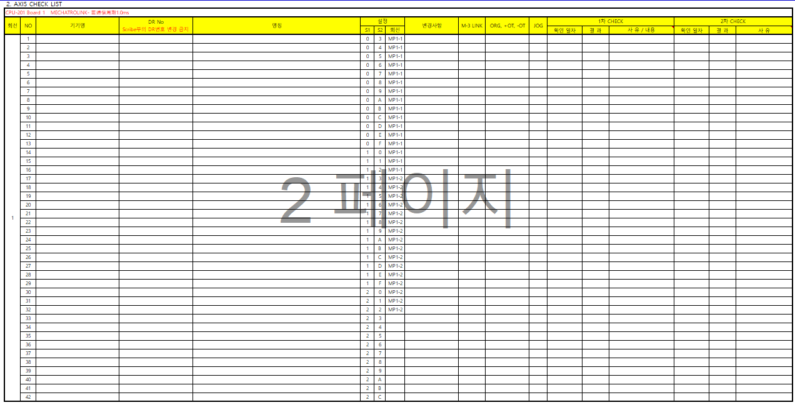

 |  | ① Servo MOTOR 명 작성
 |  | ② Servo MOTOR 축 명칭 작성
 |  | ③ 통신, ORG,OT, JOG 체크 확인
 |  | ④ 확인 일자 및 결과 ( OK, NG, SKIP ) 작성
 |  | ⑤ NG, SKIP 사유/내용 작성

1
2
3
2. I/O Check List

 |  | ① INPUT,OUTPUT 전체 I/O수량 작성
 |  | ② 확인 결과를 OK,NG,SKIP 로 구분하여 % 작성
 |  | ③ 체크 담당자 이름을 기입할 것

1
2
3
4
5
6
7
8
9
10


 |  | ① ANYWIRE 국번 작성
 |  | ② ANYWIRE 형식 작성
 |  | ③ ANYWIRE 장착 위치 작성
 |  | ④ I/O 명칭 작성, IO는 끝에서 4자리까지 사용한다. 1 WORD, 16 Bit, [ ib1 or ib2 등의 구분은 제어와 확인 후 결정 한다.]
 |  | ⑤ INPUT TYPE 기입
 |  | ⑥ I/O 변경 사항 기입
 |  | ⑦ 확인 일자 작성
 |  | ⑧ I/O Check 결과 ( OK, NG, SKIP ) 작성
 |  | ⑨ NG, SKIP시 미 Check 사유 작성
 |  | ⑩ 1차 Check 방식과 동일하게 작성

5. 참고

 | PC 구성 및 I/O Check 관련 참고 자료 작성

6. 개정 이력

1
2
3
4
5
6

 |  | ① 문서 변경 및 개정 일자 작성
 |  | ② 변경 및 개정 내용,사유 작성
 |  | ③ 작성자, 변경자 확인
 |  | ④ 검토자 승인
 |  | ⑤ 최종 승인자 승인
 |  | ⑥ 승인 완료 후 배포일 작성

6. 문서 저장 파일명

 | 예) |  | 19R59_001_CSOT_T7_MPL3400wCC_IO Check_LIST_220601.xls

Order No
장치명
작성 날짜

